Cover Page
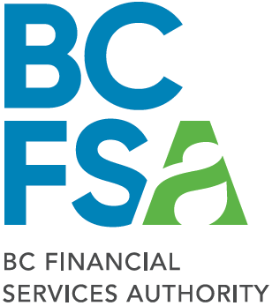

 |  | BC Financial Services Authority

 |  | Interim Reporting Template:
 |  | Liquidity Adequacy Return

 |  | January 2021

2800-555 West Hastings Street | Classification: Protected B | Telephone: (604) 660-3555
Vancouver, BC |  | Facsimile: (604) 660-3365
V6B 4N6 |  | www.bcfsa.ca

